dendrogram rect
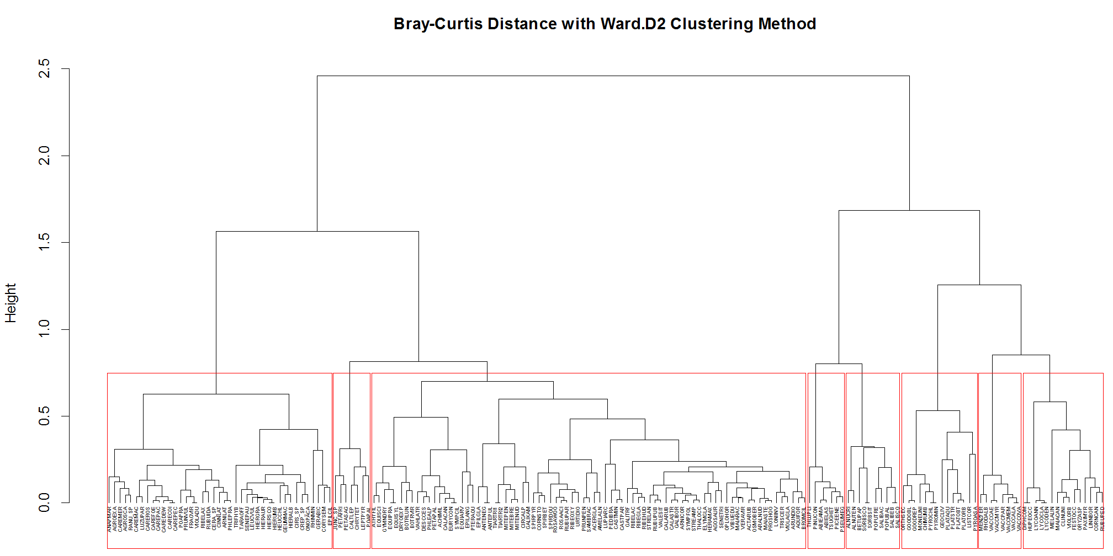

3
5
2
1
4
6
8
7

dendrogram
